BR_02
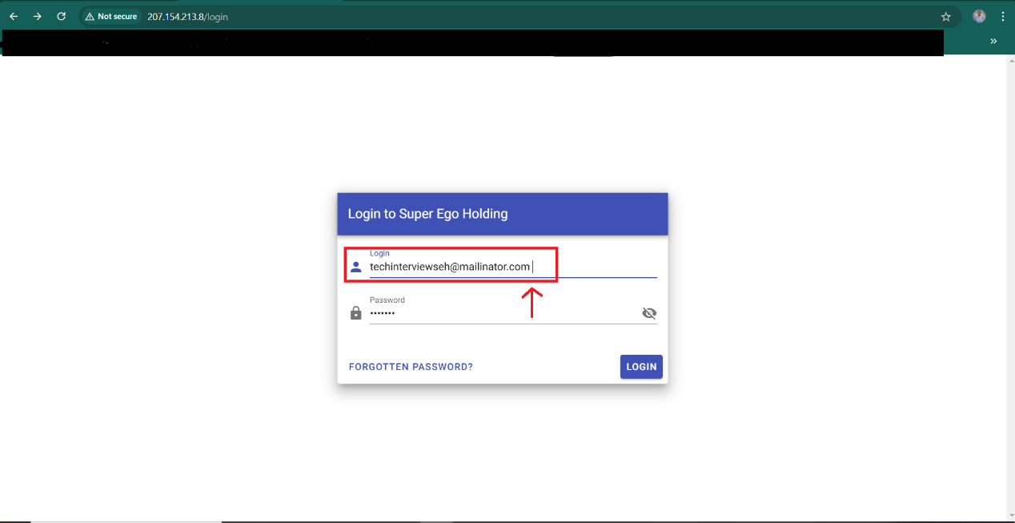
ID | B_02
Summary | The user can login with trailing and leading space in email input and valid password
Description | The issue occurs when the user enters a valid email (techinterviewseh@mailinator.com) and adds an extra space at the end or the begining (techinterviewseh@mailinator.com ), the application processes the email as valid and grants access to the account. This behavior is problematic because email addresses with trailing/leading spaces are technically invalid according to standard email format rules. Allowing users to log in under such conditions can lead to potential data inconsistencies, unexpected system behavior, or security issues. For instance, this could cause mismatched email records in the database or improper user account linking. This bug is critical because login functionality is a core feature of the application, and input validation is essential to ensure secure and consistent system behavior.
Steps to reproduce | Expected result | Actual result | Priority
1. Open the browser |  |  | HIGH
2. Go to url http://207.154.213.8/login
3. Input valid email with trailing space in "Email" field
4. Input valid password in "Password" field
5. Click on "Login" button | The user cannot login and error message appears telling the user "Wrong email or password, please try again." | The user successfully redirected to otp validate page to continuo its login.
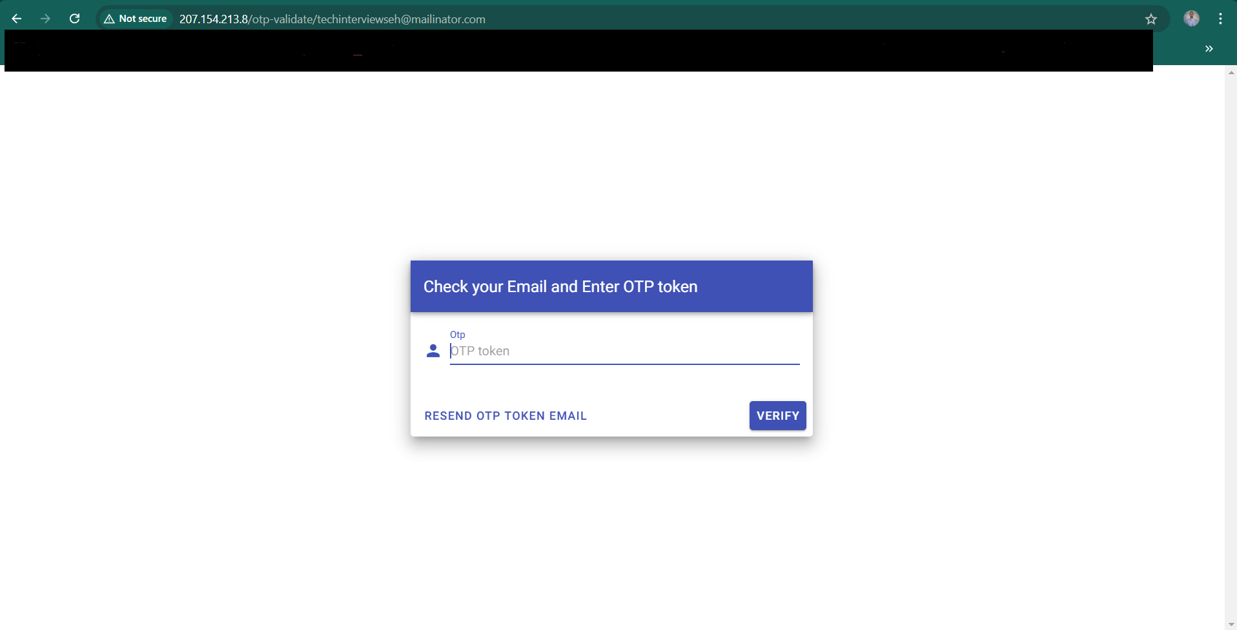
Screenshot/Video

